1. Title Page
Online Basket Analysis

Project Name: Instacart Basket Analysis
Date: June 5, 2024
Analyst Name: Evan Carr

Contents:
Population Flow | Citation: Instacart is a real online business however customer and price data has been fabricated for the purposes of this analysis
Consistency checks
Wrangling steps
Column derivations
Visualizations
Recommendations

2. Population Flow
 |  |  | Title page

Population flow

Exclusion flag
Condition: max_order <
Obervations to be removed:
Final total count of order_products_all:

Orders_products_combined
Orders_products_merged
Orders_products_all

Total:
Total:
Total:
32434489 | 32404859 | 32433030

1.) The grey boxes in the first row of the population flow represent the original data sets as they were when you downloaded them. In the Total fields you need to add the count of the rows when you imported the data set into Jupyter.
2.) The second row of boxes (coloured) represents the data sets after you manipulated them, e.g., removed missing values and duplicates. In the Total fields you need to add the count of the rows after conducting these operations. This offers a visual oveview of how the data flows throughout the data consistency checks.
3.) The third row, where also the arrows are coloured, represents the merges you performed between the datasets. In the Total fields you need to add the count of the rows in the merged datasets, so that you end up with the final dataset (in the red box). Keep in mind the final dataset should be without exclusions (based on the exclusion flag).

3. Consistency checks
 |  |  |  | Title page
Consistency checks

Dataset | Missing values | Missing values treatment | Duplicates
orders | 206209 | created flag that explains the missing values
products | 16 missing values in product_name | Created dataframe with no missing values | 5
orders_products_prior
customers

4. Wrangling steps
 |  |  |  |  | Title page
Wrangling steps

Data Set | Columns dropped | Columns renamed | Columns' type changed | Comment/Reason
Orders | eval_set' |  |  | Unnecessary to evaluation
Orders | Unnamed: 0' |  |  | cleaned up dataset
Orders |  | dow' to 'orders_day_of_week' |  | easier to understand
Orders |  |  | order_id' changed to string | non numerical value
df_complete_data |  |  | user_id' to string | non numerical value
df_complete_data |  |  | reordered' to category | conserve memory
df_complete_data |  |  | _merge' to category | conserve memory
df_complete_data |  |  | orders_day_of_week' to category | conserve memory
df_complete_data |  |  | customer_number' to str | conserve memory
df_complete_data |  |  | order_number' to int8 | conserve memory
df_complete_data |  |  | orders_day_of_week' to int8 | conserve memory
df_complete_data |  |  | order_hour_of_day' to int8 | conserve memory
df_complete_data |  |  | product_id' to int8 | conserve memory
df_complete_data |  |  | aisle_id' to int8 | conserve memory
df_complete_data |  |  | product_id' to int32 | conserve memory
df_complete_data |  |  | department_id' to int8 | conserve memory
df_complete_data |  |  | days_since_prior_order' to float16 | conserve memory
df_complete_data |  |  | prices' to float32 | conserve memory
customers |  | First Name' to first_name |  | match dataframe style
customers |  | Surname' to last_name |  | match dataframe style
customers |  | Gender' to gender |  | match dataframe style
customers |  | STATE' to state |  | match dataframe style
customers |  | Age' to age |  | match dataframe style
customers |  | n_dependants' to dependants |  | match dataframe style
customers |  | fam_status' to marriage_status |  | match dataframe style
ords_prods_all | first_name |  |  | Privacy Implications
ords_prods_all | last_name |  |  | Privacy Implications

5. Column derivations
 |  |  |  | Title page

Column derivations and aggregations

In this tab you should add tables below that the frequences of flags/label variables that you produced after deriving them. NB: don't do this for continuous variables, only for flags.
Dataset | New column | Column/s it was derived from | Conditions
ords_prods_merge | price_range | prices | prices<=5 (Low-range product) prices >5 & <=15 (Mid-range product) prices. 15 (High range product)
ords_prods_merge | volume_days | orders_day_of_week | for value in ords_prods_merge["orders_day_of_week"]: if value ==0: result.append("Busiest day") elif value ==4: result.append("Least busy") else: result.append("Regularly busy")
ords_prods_merge | busiest_period_of_day | order_hour_of_day | for value in ords_prods_merge['order_hour_of_day']: if value in [0,1,2,3,4,5,6,23]: result_2.append('Fewest orders') elif value in [9,10,11,12,13,14,15,16]: result_2.append ('Average orders') else: result_2.append ('Most orders')
ords_prods_merge | loyalty_flag | max_order | ords_prods_merge.loc[ords_prods_merge['max_order']>40, 'loyalty_flag']='Loyal customer' ords_prods_merge.loc[(ords_prods_merge['max_order']<=40) & (ords_prods_merge['max_order']>10), 'loyalty_flag']= 'Regular customer' ords_prods_merge.loc[ords_prods_merge['max_order']<= 10, 'loyalty_flag']= 'New customer'
ords_prods_merge | spending_flag | mean_product_price | ords_prods_merge.loc[ords_prods_merge['mean_product_price']< 10, 'spending_flag']='Low spender' ords_prods_merge.loc[ords_prods_merge['mean_product_price']>= 10, 'spending_flag']= 'High spender'
ords_prods_merge | customer_frequency_flag | median_day_between_ords | ords_prods_merge.loc[ords_prods_merge['median_day_between_ords']>20, 'customer_freq_flag']='Non-frequent customer' ords_prods_merge.loc[(ords_prods_merge['median_day_between_ords']>10) & (ords_prods_merge['median_day_between_ords']<=20), 'customer_freq_flag']= 'Regular customer' ords_prods_merge.loc[ords_prods_merge['median_day_between_ords']<= 10, 'customer_freq_flag']= 'Frequent customer'
ords_prods_all | region | state | Northeast Midwest. Regions were created based on corresponding states South West
ords_prods_all | exclusion_flag | max_order | ords_prods_all.loc[ords_prods_all['max_order'] <10, 'exclusion flag'] = 'Low activity' ords_prods_all.loc[ords_prods_all['max_order'] >=10, 'exclusion flag']= 'High activity'
*cust_not_excluded | income_type | income | cust_not_excluded.loc[cust_not_excluded['income'] < 50000,'income_type'] = 'Low' cust_not_excluded.loc[(cust_not_excluded['income'] >= 50000) & (cust_not_excluded['income']< 100000),'income_type'] = 'Middle' cust_not_excluded.loc[cust_not_excluded['income']>= 100000,'income_type'] = 'High'
cust_not_excluded | age_type | age | cust_not_excluded.loc[cust_not_excluded['age']< 40,'age_type'] = 'Young Adult' cust_not_excluded.loc[(cust_not_excluded['age'] >= 40) & (cust_not_excluded['age']< 65),'age_type'] = 'Middle Aged' cust_not_excluded.loc[cust_not_excluded['age']>= 65,'age_type'] = 'Senior'
cust_not_excluded | dependant_type | dependants | cust_not_excluded.loc[cust_not_excluded['dependants']==0, 'dependant_type']= 'No dependants' cust_not_excluded.loc[cust_not_excluded['dependants']>0, 'dependant_type']= 'Has dependants'
**cust_not_excluded | age_dependants_type | marriage_status + age_type + dependant_type

*cust_not_excluded dataframe was derived from ords_prods_all dataframe based off of high activity customers/ exclusion_flag column | **age_dependants_type created 7 different profiles based on the customers marriage status, age, and dependant count listed below
 | Married Middle-aged parent
 | Married Young Parent
 | Married Senior Parent
 | Single Middle-aged Adult
 | Single Young Adult
 | Single Senior Adult
 | Single Young Parent

6. Visualizations

 |  |  |  |  |  |  |  |  | Title page

Visualisations

In this tab you should include all the visualtions from Exercises 4.9 and 4.10, alongside the questions from the project brief that they answer. Include any commentary on the relationship between different variables.

 |  |  |  |  |  |  |  |  |  |  |  |  | Distribution of purchases via price

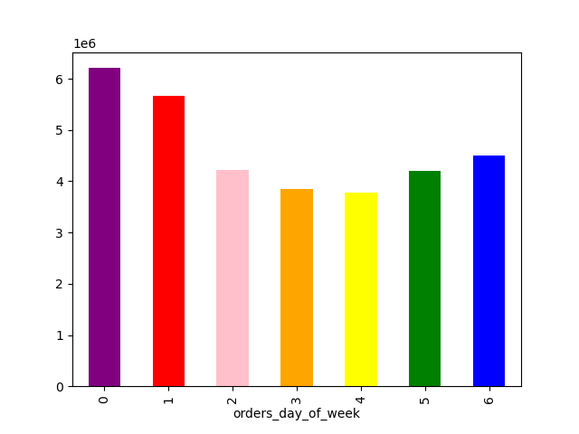
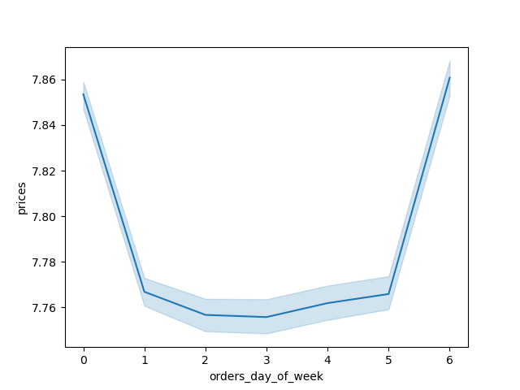
 |  |  |  |  |  |  | Price per item throughout week
 |  | number of orders per day of the week

Days of the week are represented by the number 0-6 where 0= Saturday and 6= Friday.
The number of orders is highest on Saturday and Sunday and lower throughout the week.
 |  |  |  |  |  |  |  |  |  |  | We see a drastic dropoff at the $15 mark which may show that people who shop using Instacart
 |  |  |  |  | We see that there is little change in average price spent on an item during the week |  |  |  |  |  | prefer their items to be on the cheaper side OR there may be a problem witht the pricing system
 |  |  |  |  | however there is a sharp spike in spending over the weekend. This infers that |  |  |  |  |  | that needs to be changed/ investigated.
 |  |  |  |  | people spend more on the weekend; most likely from having more time on hand to shop

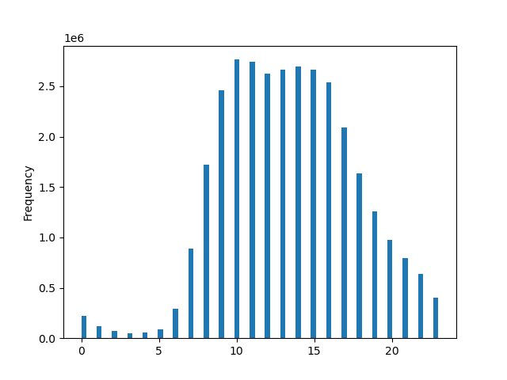
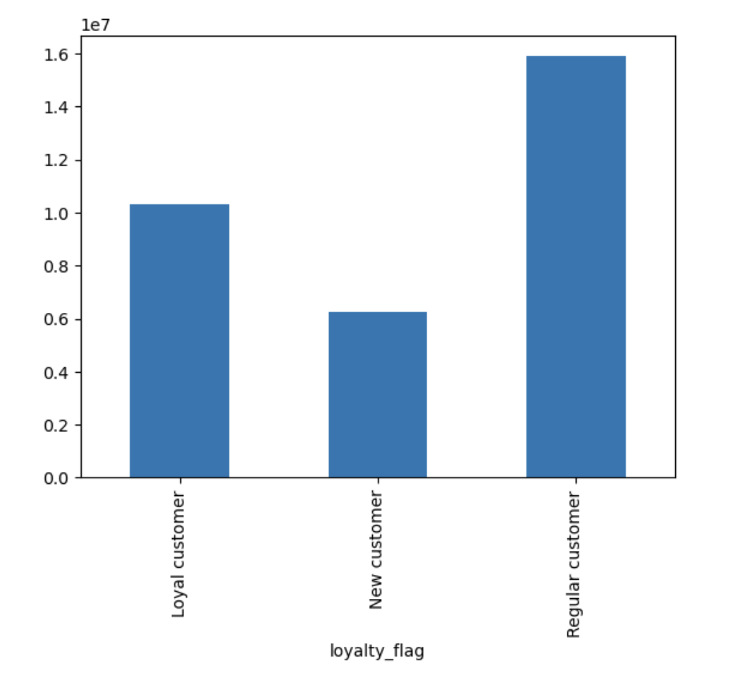
 |  |  |  |  |  |  |  | Number of orders throught the day
 |  |  |  |  |  |  |  |  |  |  |  |  |  |  | Number of orders vis customer loyalty
 |  |  | Average Price of items bought
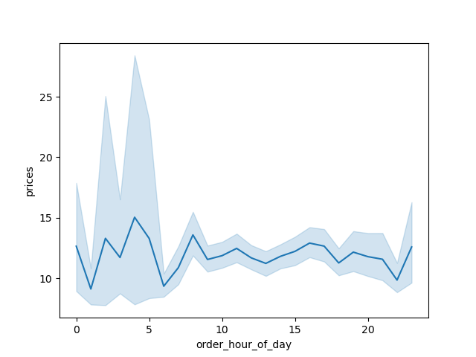

 |  |  |  |  |  |  |  |  | Hours
 |  |  |  |  |  | The number of orders is lowest around 3am and as, we would expect, starting to rise around 5am
 |  |  |  |  |  | when people are starting to wake up. These orders peak around 10 am and stay fairly consistent
 |  |  |  |  |  | until about 5pm when the majority of peoples day start to slow down.
We can see in this chart that the margine of error (represented by the light blue shading) is much larger
during the hours of midnight and just after 6 am and then tapers off during normal waking hours. This
may indicate a specific type of shopper willing to make 'fleet of the moment' purchases or more expensive
purchases that are needed ASAP or next day.

 |  |  |  |  |  |  |  |  |  |  |  | Here we see that the regular everyday customer makes up the majority or orders on a given day. These customers
 |  |  |  |  |  |  |  |  |  |  |  | make anywhere from 10-40 orders. The next closest group of people making orders are the 'Loyal customers'.
 |  |  |  |  |  |  |  |  |  |  |  | Which make more than 40 orders in the year that this information was taken.

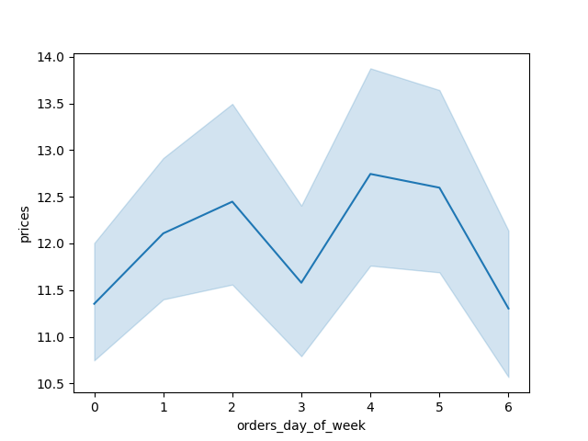
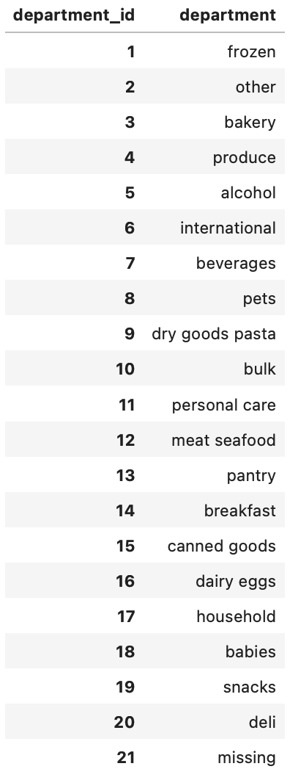
 |  |  | Price of orders during the week
 |  |  |  |  |  |  |  |  |  |  |  |  |  |  |  | Number of dependants per customer
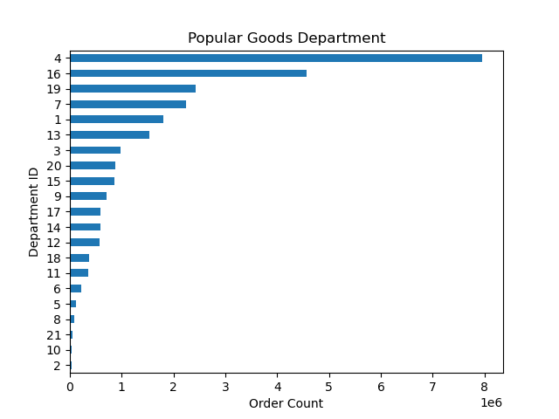
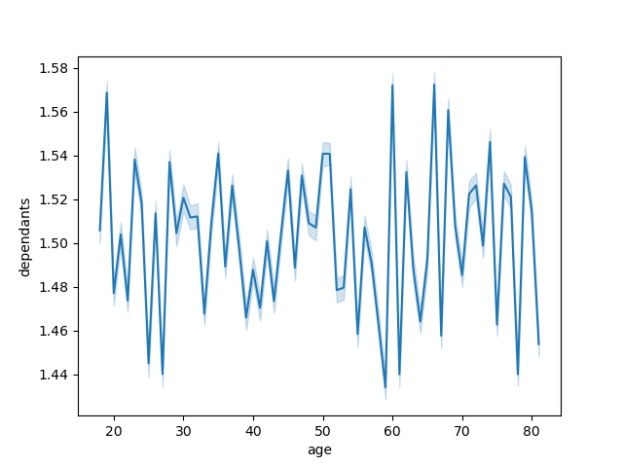

 |  |  |  |  | Produce is the most popular item bought on the Instacart platform followed by dairy and eggs. |  |  |  |  |  |  |  |  | No immediate pattern is discerable between age and number of dependants in Instacart Customers

Here we see a larger margine of error in regards to price shown by the blue shading. This graph tells us that
during the weekends and Tuesdays people tned to spend less on Instacart. This could indicate that they are busier
during these times.

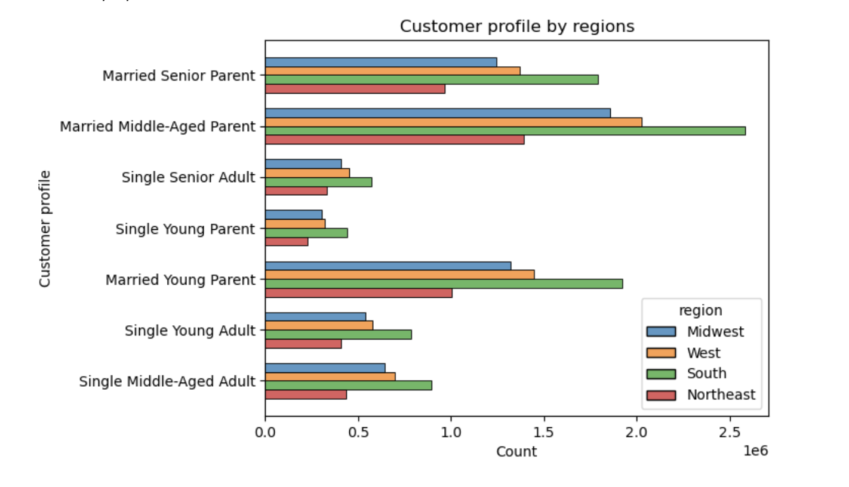

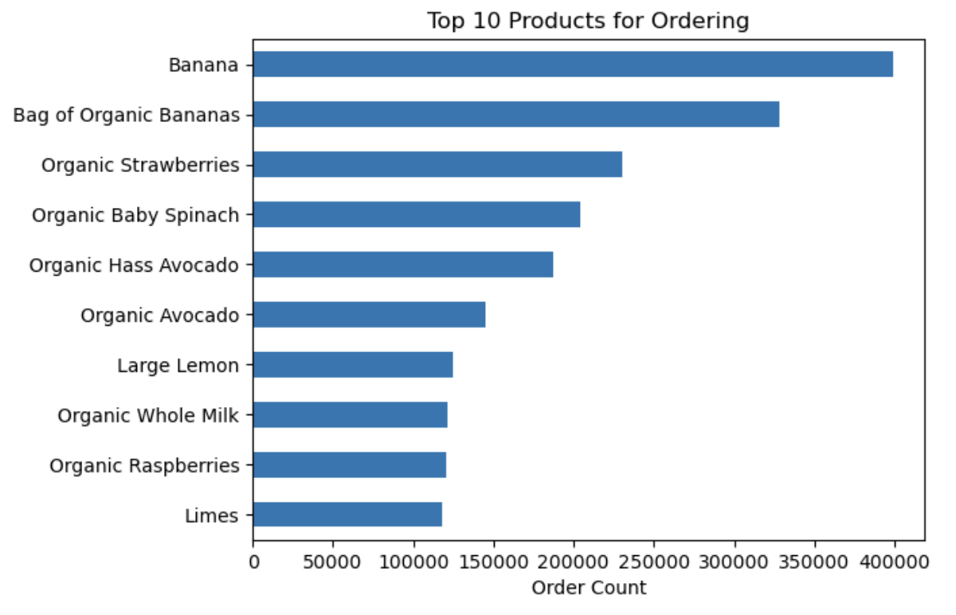
 |  | Average income of customers per age


 |  |  |  |  |  |  |  |  |  |  |  | An obvious trend shows that regionally, Instacarts best customers are those from the South followed by the West, Midwest, and
 |  |  |  |  |  |  |  |  |  |  |  | finally the Northeast with the largest customer profile being Married Middle-Aged Parents.

There is a wide variety of incomes for each customer but the majority can be show to make $200,000 |  |  |  | Delving deeper into the most popular products being produce we can see which items of produce generate the most purchases
or less as seen throught the density of the scatter plot. This may mean that the less a customer makes the
more they want to save by purchasing cheaper items from Instacart. Customers over the age of 40 who
make $300,000 or less make up the second largest group. Young people between 10-42 who make
over $400,000 seem to not spend their money on Instacart.

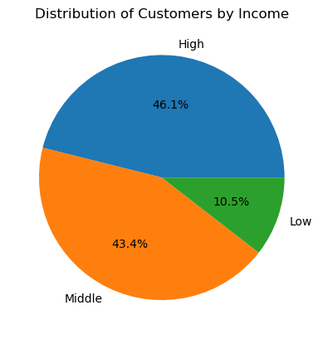
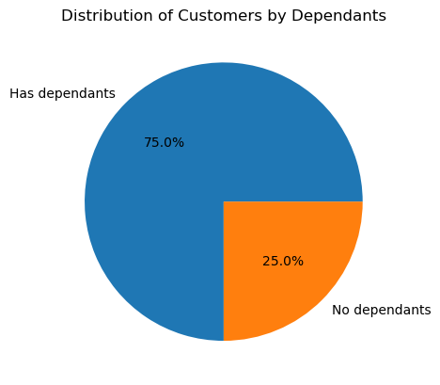
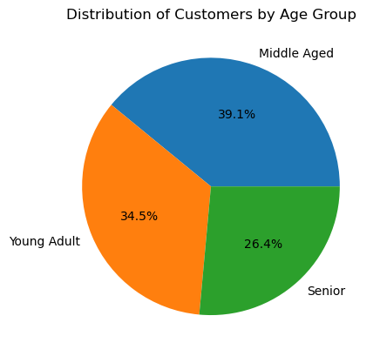
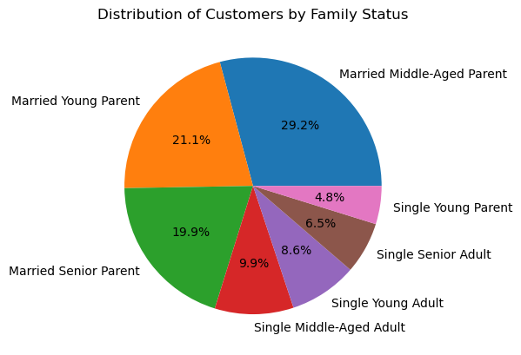
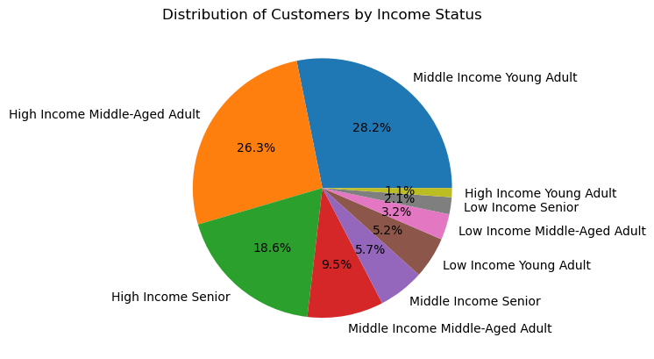

 | We see that the majority of customers have high/medium incomes |  |  |  |  |  |  |  |  |  |  |  |  |  |  |  | Married parents make up the majority of customers by roughly 70% | By splitting up the demographics into 9 catagories we can see that High income middle aged adults and
 |  |  |  |  | 75% of customers have dependants |  |  |  |  | Senior customers make up the least amount of Instacart customers |  |  |  |  |  |  |  | middle income young adults make up close to 50% of customers, followed by high income seniors.

7. Recommendations
 |  |  |  | Title page

Recommendations

In this tab you should include any recommendations you would made to Instcart in terms of their marketing strategy based on the questions posed in the brief. Every key question has been covered in the Tasks of the Exercises - here you need to add an item - a visualisation or table/crosstable that is showing the answer in the data, acompanied by a comment from you. Please, list the questions below and add the answer underneath.

Question
Key Question 1 | The sales team needs to know what the busiest days of the week and hours of the day are (i.e., the days and times with the most orders) in order to schedule ads at times when there are fewer orders. |  |  |  |  | >>>>

Answer 1 | The busiest days of the week are Saturdays and Sundays with the busiest times being between 9am and 5 pm.
 |  |  |  |  |  |  | Hour of Day
Recommendation:
 | In order to boost revenue during the week promotions could be put in place that offer discounts/ rewards for making in week purchases. Ads are a great way to keep people engaged.

Key Question 2 | They also want to know whether there are particular times of the day when people spend the most money, as this might inform the type of products they advertise at these times. |  |  |  | >>>>>>>>>>>>>>>>>>>

Answer 2 | There is a variance of customers making sporatic purchases late at night/ during the early morings which may show a previously not seen target audience of spenders.
 | Otherwise the price of sales drops around 7-9am and rises steadily from 10am-8pm. There is a slight uptick in price of products sold from 9pm-12am suggesting customers make more expensive purchases during these times.

Recommendation:
 | Promote higher/medium price range products during the late night early mornings targeting the more sporatic spenders.

Key Question 3 | Instacart has a lot of products with different price tags. Marketing and sales want to use simpler price range groupings to help direct their efforts. |  |  | >>>>>>

Recommendation:
Answer 3 | By grouping prices into three groups of price ranges (Low-range, Mid-range, High-range) Instacart simplifies their price range groupings.

 | Low-range= < $5
 | Mid-range = $5 - $15
 | High-range = > $15 | <--- High_range products typcally do no perform as well as Mid-range and Low-range products

Key Question 4 | Are there certain types of products that are more popular than others? The marketing and sales teams want to know which departments have the highest frequency of product orders. |  |  |  | >>>>>>

Answer 4 | Produce is by far the most popular product sold on Instacart followed by Dairy/Eggs, Snacks, Beverages, and frozen products.

Key Question 5 | What’s the distribution among users in regards to their brand loyalty (i.e., how often do they return to Instacart)?

Answer 5 | We see that the regular everyday customer makes up the majority or orders on a given day. These customers
 | make anywhere from 10-40 orders. The next closest group of people making orders are the 'Loyal customers'.
 | Which make more than 40 orders in the year that this information was taken (2017).

Key Question 6 | Are there differences in ordering habits based on a customer’s loyalty status?

Answer 6 | When looking at loyalty charts no specific pattern could be seen between customer loyalty and their ordering habits.

Key Question 7 | Are there differences in ordering habits based on a customer’s region? |  | >>>>>>>>>>>>>>>>>>>>>>>>>>>>>>>>>>>>>>>

Answer 7 | An obvious trend shows that regionally, Instacarts best customers are those from the South followed by the West, Midwest, and
 | finally the Northeast.

Key Question 8 | Is there a connection between age and family status in terms of ordering habits?

Answer 8 | We can see from the Customer profile by Regions chart that customers who are married tend to spend more/ make more orders than those who are single.
 | Most likely due to dual household incomes and time restrictions.
 | Married people make up the majority of customers by 75%

Key Question 9 | What different classifications does the demographic information suggest?

Answer 9 | In out scatter plot chart we can see that Instacart customers that make $200k or less stay consistently in making purchases based off the density or the chart.
 | It becomes apparent that customers of 40 years of age and older with higher incomes are consistent customers as well.
 | High income groups make up nearly 45% of customer base with middle income groups following close behind.

Key Question 10 | What differences can you find in ordering habits of different customer profiles?

Answer 10 | We see that high income groups spend the most in Instacart with middle income following closely behind. This could be due to having more disposable income unlike lower income status customers
 | Customers with children/ dependants make up 75% of customer base, most likely making it easier to manage their time by cutting out going to physical grocery stores.
 | It is also apparent that married couples utilize Instacart more than single persons
 | Spending across regions is proportional
 | Produce is the most popular department by far across all customers

